Calculator Great Scott
 |  |  |  |  | TSAL Value selector

 |  |  |  |  | Instructions
Frequency (hz) | Capacitor (uF) | k constant | Sum of Resistors (kohms) |  | 1. Choose a frequency, capacitor and reasonable k constant value (start with 0.8)
3 | 15.00 | 0.8 | 27.78

Duty Cycle | Sum of Resistors (kohms) | R1 (kohms) | R2 (kohms) |  | 2. Choose a Duty Cycle, values for R1 and R2 will automatically populate
25% | 27.78 | 6.94 | 20.83

Capacitor (uF) | R1 (kohms) | R2 (kohms) | Estimated Frequency | Estimated Duty Cycle | 3. Choose standard values based on the numbers found above. They can be played around with as much as desired.
15 | 8.2 | 24 | 2.6 | 25% | Note that the k value will likely be lower than 0.8, this has the effect that the true frequency will be larger than expected.
 |  |  |  |  | (Again, start with 0.8, and lower it to see what effect it has and if it is within desired tolerances)

$$F=\frac{1}{C∗\left(R_{1}+R_{2}\right)∗k}$$
$$D=\frac{R_{1}}{R_{1}+R_{2}}$$
 |  |  |  |  | General Notes:
 |  |  |  |  | Highlighted cells are parameters to change
 |  |  |  |  | The governing equations are:
 |  |  |  |  | (ignoring diode effects for duty cycle equation)

 |  |  |  |  | Version | Updated by | Date Updated | Changes Made
 |  |  |  |  | V 1.0 | Serge Girouard | 5-Jul-19 | Created document

LT Spice Great Scott
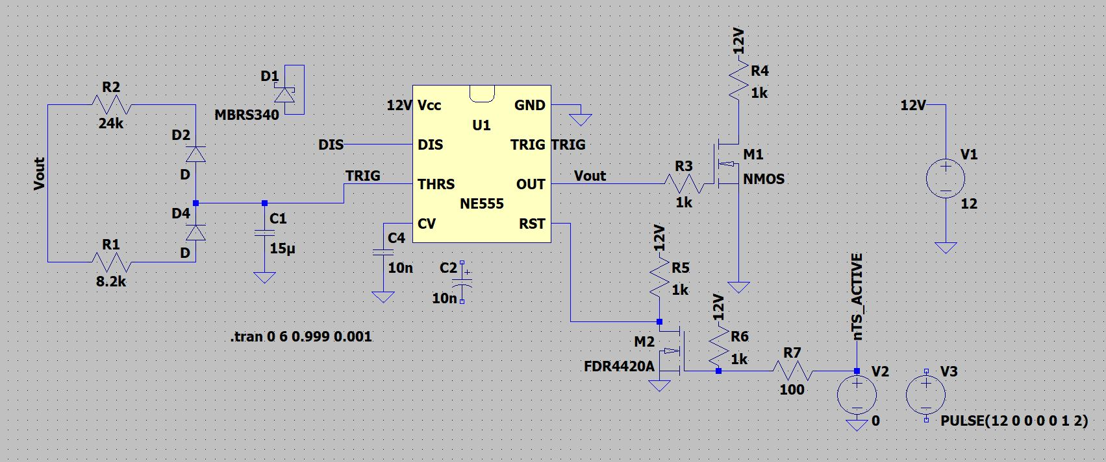
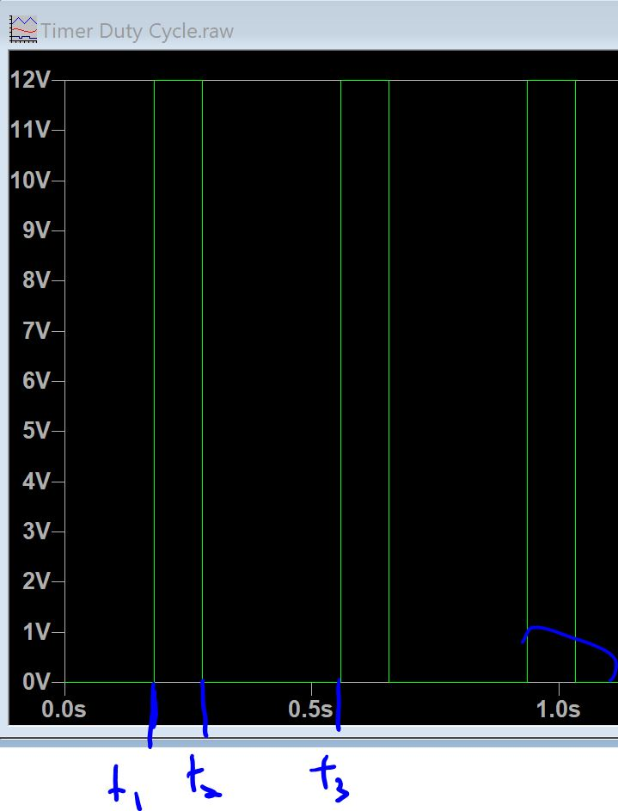
Variables |  |  | Simulated Times |  |  | Calculations of simulations |  |  |  |  | Theoretical Calculations
R2 | R1 | C1 | t1 | t2 | t3 | pulse duration | Time between | frequency | Duty Cycle | Sum of R1 and R2 | pulse | Dt | frequency | F error | Duty | duty error
27000 | 5100 | 1.50E-05 | 0.23 | 0.29 | 0.605 | 0.06 | 0.375 | 2.67 | 16% | 32100 | 0.06 | 0.39 | 2.60 | 3% | 16% | 1%
20000 | 12100 | 1.50E-05 | 0.108 | 0.25 | 0.484 | 0.142 | 0.376 | 2.66 | 38% | 32100 | 0.15 | 0.39 | 2.60 | 2% | 38% | 0% | Frequency: | =1/(0.8*C*(R1+R2)
16050 | 16050 | 1.50E-05 | 0.037 | 0.228 | 0.416 | 0.191 | 0.379 | 2.64 | 50% | 32100 | 0.19 | 0.39 | 2.60 | 2% | 50% | 1% | Duty | =R1/(R1+R2)
12100 | 20000 | 1.50E-05 | 0.344 | 0.579 | 0.72 | 0.235 | 0.376 | 2.66 | 63% | 32100 | 0.24 | 0.39 | 2.60 | 2% | 62% | 0%
27000 | 5100 | 1.00E-05 | 0.07 | 0.111 | 0.318 | 0.041 | 0.248 | 4.03 | 17% | 32100 | 0.04 | 0.26 | 3.89 | 4% | 16% | 4%
27000 | 5100 | 2.00E-05 | 0.137 | 0.217 | 0.637 | 0.08 | 0.5 | 2.00 | 16% | 32100 | 0.08 | 0.51 | 1.95 | 3% | 16% | 1%
27000 | 5100 | 2.50E-05 | 0.423 | 0.522 | 1.051 | 0.099 | 0.628 | 1.59 | 16% | 32100 | 0.10 | 0.64 | 1.56 | 2% | 16% | -1%
20000 | 6000 | 1.50E-05 | 0.271 | 0.341 | 0.574 | 0.07 | 0.303 | 3.30 | 23% | 26000 | 0.07 | 0.31 | 3.21 | 3% | 23% | 0%
24000 | 8200 | 1.50E-05 | 0.181 | 0.278 | 0.555 | 0.097 | 0.374 | 2.67 | 26% | 32200 | 0.10 | 0.39 | 2.59 | 3% | 25% | 2%

Using a diode model now (diode MBRS340), k ~ 0.65
20000 | 6000 | 1.50E-05 | 0.082 | 0.144 | 0.341 | 0.062 | 0.259 | 3.86 | 24% | 26000 | 0.07 | 0.31 | 3.94 | -2% | 23% | 4%
27000 | 5100 | 1.50E-05 | 0.339 | 0.395 | 0.649 | 0.056 | 0.31 | 3.23 | 18% | 32100 | 0.06 | 0.39 | 3.20 | 1% | 16% | 14% | Frequency: | =1/(0.65*C*(R1+R2)
25000 | 7100 | 1.50E-05 | 0.323 | 0.393 | 0.62 | 0.07 | 0.297 | 3.37 | 24% | 32100 | 0.09 | 0.39 | 3.20 | 5% | 22% | 7% | Duty | =R1/(R1+R2)
25000 | 7100 | 2.00E-05 | 0.342 | 0.443 | 0.76 | 0.101 | 0.418 | 2.39 | 24% | 32100 | 0.11 | 0.51 | 2.40 | 0% | 22% | 9%
25000 | 7100 | 2.50E-05 | 0.68 | 0.803 | 1.196 | 0.123 | 0.516 | 1.94 | 24% | 32100 | 0.14 | 0.64 | 1.92 | 1% | 22% | 8%
25000 | 7100 | 1.00E-05 | 0.296 | 0.341 | 0.502 | 0.045 | 0.206 | 4.85 | 22% | 32100 | 0.06 | 0.26 | 4.79 | 1% | 22% | -1%
24000 | 8200 | 1.50E-05 | 0.31 | 0.394 | 0.624 | 0.084 | 0.314 | 3.18 | 27% | 32200 | 0.10 | 0.39 | 3.19 | 0% | 25% | 5%
27000 | 5100 | 1.00E-05 |  |  |  |  |  |  |  | 32100 | 0.04 | 0.26 | 3.12 |  | 16%
 | LTSPice circuit |  |  |  |  |  |  |  |  |  | Example of Simulation results and time points (displaying Vout)

